1. Title Page
[Instacart Grocery Basket Analysis]
]

Project Name: Instacart Grocery Basket Analysis
Date:July 9, 2024
Analyst Name: Shravani.I.S

Contents:
Population Flow
Consistency checks
Wrangling steps
Column derivations
Visualizations
Recommendations

Data Source:
“The Instacart Online Grocery Shopping Dataset 2017”, Accessed from https://www.instacart.com/datasets/grocery-shopping-2017 on November 10, 2022.
Customer data and the “prices” column in the products data set were fabricated for the purpose of this course.

2. Population Flow
Title page

Population flow

Exclusion flag
Condition: max_order < 5
Obervations to be removed: 1,440,295
Final total count of order_products_all: 32,404,859

Orders_products_combined
Orders_products_merged
Orders_products_all

Total:32404859
Total: 32434489
Total: 32404859

1.) The grey boxes in the first row of the population flow represent the original data sets as they were when you downloaded them. In the Total fields you need to add the count of the rows when you imported the data set into Jupyter.
2.) The second row of boxes (coloured) represents the data sets after you manipulated them, e.g., removed missing values and duplicates. In the Total fields you need to add the count of the rows after conducting these operations. This offers a visual oveview of how the data flows throughout the data consistency checks.
3.) The third row, where also the arrows are coloured, represents the merges you performed between the datasets. In the Total fields you need to add the count of the rows in the merged datasets, so that you end up with the final dataset (in the red box). Keep in mind the final dataset should be without exclusions (based on the exclusion flag).

3. Consistency checks
 |  |  |  | Title page
Consistency checks

Dataset | Missing values | Missing values treatment | Duplicates
orders | days_since_prior_order (206,209 missing values) | To address the missing values in the `days_since_prior_order` column, I have use the method of imputing these missing values with a placeholder indicating first orders. Specifically, I'll use `-1` as the placeholder. - # If the missing values are indeed for first orders, they are imputed with a placeholder value of `-1`. This value is chosen because it clearly indicates that there was no prior order, distinguishing these entries from valid numerical data. # - Using `-1` avoids confusion with any actual number of days and maintains the integrity of the dataset. | No duplicates
products | product_name (16 missing values) | Missing values were exported into its own database (df_nan). | 5 duplicates were found and dropped in df_prods_clean_no_dups dataframe.
orders_products_prior | None | N/A | No duplicates
customers | first_name (11,259 missing values) | First names and last names should be removed due to PII risk. Date_joined should be removed because it is unnecessary. | No duplicates

4. Wrangling steps
 |  |  |  |  | Title page
Wrangling steps

Data set | Columns dropped | Columns renamed | Columns' type changed | Comment/Reason
orders | eval_set |  |  | not necessary for analysis
 |  | orders_dow |  | ambiguous column name, changed to orders_day_of_week
 |  |  | order_id | changed to string
 |  |  | user_id | changed to string
department |  | index |  | transposed dataset and added an index and new header
customers |  | FIRST_NAME |  | Changed to First_name for consistency
 |  | surnam |  | Change to Last_name for consistency
 |  | STATE |  | Changed to state for consistency
 |  | date_joined |  | Changed to Date_joined for consistency
 |  | n_dependants |  | Changed to number_of_dependents for consistency
 |  | fam_status |  | Changed to marital_status for consistency
 |  | income |  | Changed to Income for consistency

5. Column derivations
 |  |  |  |  | Title page

Column derivations and aggregations
In this tab you should add tables below that the frequences of flags/label variables that you produced after deriving them. NB: don't do this for continuous variables, only for flags.

Data set | New column | Column/s it was derived from | Conditions | Code
orders_products_merged.pkl | price_label | prices | If price <=5, then low-range product. If else price > 5 and <= 15, then mid-range product. If else price > 15, then high-range product. | def price_label(row): if row['prices'] <= 5: return 'Low-range product' elif (row['prices'] > 5) and (row['prices'] <= 15): return 'Mid-range product' elif row['prices'] > 15: return 'High range' else: return 'Not enough data'
 | busiest_day | orders_day_of_week | If day 0 then busiest day. If day 4 then least busy day. If else, then regularly busy. | result = [] for value in df_ords_prods_merge["orders_day_of_week"]: if value == 0: result.append("Busiest day") elif value == 4: result.append("Least busy") else: result.append("Regularly busy")
 | busiest_days | orders_day_of_week | If day 0 or 1 then busiest days. If day 4 or 3 then slowest days. If else, then regularly busy days. | result_2 = [] for value in df_ords_prods_merge["orders_day_of_week"]: if value == 0 or value == 1: result_2.append("Busiest days") elif value == 4 or value == 3: result_2.append("Slowest days") else: result_2.append("Regularly busy")
 | busiest_period_of_day | order_hour_of_day | If hour of day < list_quantile[2] then fewest orders. If else hour of day >= list_quantile[2] and <=list_quantile [1] then average orders. If else hour of day >=list_quantile [1] then most orders. | result_3 = [] for value in df_ords_prods_merge["order_hour_of_day"]: if value in [10, 11, 14, 15, 13, 12, 16, 9]: result_3.append("Most orders") elif value in [23, 6, 0, 1, 5, 2, 4, 3]: result_3.append("Fewest orders") else: result_3.append("Average orders")
orders_products_combined_merged_new_variables_derived.pkl' | max_order | user_id , order_number | Maximum number of orders | ords_prods_merge['max_order'] = ords_prods_merge.groupby(['user_id'])['order_number'].transform('max')
 | loyalty_flag | max_order | If max_order > 40 then loyal customer. If max order <=40 and > 10 then regular customer. If max order <= 10 then new customer. | ords_prods_merge.loc[ords_prods_merge['max_order'] > 40, 'loyalty_flag'] = 'Loyal customer' ords_prods_merge.loc[(ords_prods_merge['max_order'] <= 40) & (ords_prods_merge['max_order'] >10), 'loyalty_flag'] = 'Regular customer' ords_prods_merge.loc[ords_prods_merge['max_order'] <= 10, 'loyalty_flag'] = 'New customer'
ords_prods_grouped.pkl')) | average_spend | user_id , prices | Average prices of products ordered by user | ords_prods_merge['average_spend'] = ords_prods_merge.groupby(['user_id'])['prices'].transform('mean')
 | spender_flag | average_spend | If avg price < 10 then low spender. If avg price >=10 then high spender. | ords_prods_merge.loc[ords_prods_merge['average_spend']<10,'spender_flag']='Low_spender' ords_prods_merge.loc[ords_prods_merge['average_spend']>= 10, 'spender_flag'] = 'High_spender'
 | customer_frequency | user_id , days_since_prior_order | Median number of days since prior order | ords_prods_merge['customer_frequency'] = ords_prods_merge.groupby(['user_id'])['days_since_prior_order'].transform('median')
 | frequency_flag | customer_frequency | If median_days_since_prior_order > 20, then non frequent customer. If median_days_since_prior_order <=20 and >10, then regular customer. If median_days_since_prior_order <=10 then frequent customer. | ords_prods_merge.loc[ords_prods_merge['customer_frequency'] > 20, 'frequency_flag'] = 'Non-frequent customer' ords_prods_merge.loc[(ords_prods_merge['customer_frequency'] > 10) & (ords_prods_merge['customer_frequency'] <=20), 'frequency_flag'] = 'Regular customer' ords_prods_merge.loc[ords_prods_merge['customer_frequency'] <= 10, 'frequency_flag'] = 'Frequent customer'
insta_final.pkl | region | state | Northeast=['Maine','New Hampshire','Vermont','Massachusetts','Rhode Island','Connecticut','New York','Pennsylvania','New Jersey'] Midwest=['Wisconsin','Michigan','Illinois','Indiana','Ohio','North Dakota','South Dakota','Nebraska','Kansas','Minnesota','Iowa','Missouri'] South=['Delaware','Maryland','District of Columbia','Virginia','West Virginia','North Carolina','South Carolina','Georgia','Florida','Kentucky', 'Tennessee','Mississippi','Alabama','Oklahoma','Texas','Arkansas','Louisiana'] West=['Idaho','Montana','Wyoming','Nevada','Utah','Colorado','Arizona','New Mexico','Alaska','Washington','Oregon','California','Hawaii'] | instacart.loc[instacart['State'].isin(northeast_region), 'region'] = 'Northeast' instacart.loc[instacart['State'].isin(midwest_region), 'region'] = 'Midwest' instacart.loc[instacart['State'].isin(south_region), 'region'] = 'South' instacart.loc[instacart['State'].isin(west_region), 'region'] = 'West'
 | activity | max_order | If max_order <5, then activity low. If max_order > = 5, then activity high. | instacart.loc[df['max_order']<5, 'activity']='low' instacart.loc[df['max_order']>=5, 'activity']='high'
 | age_group | age | If age <=25 then young adult. If age>25 & <45then adult, if age >= 45 &<65 then Older adult. If age >=65 then senior. | instacart.loc[instacart['Age']<=25, 'age_group']='Young Adult' instacart.loc[(instacart['Age']>25)&(instacart['Age']<45), 'age_group']='Adult' instacart.loc[(instacart['Age']>=45)&(instacart['Age']<65), 'age_group']='Older Adult' instacart.loc[instacart['Age']>=65, 'age_group']='Senior'
 | Income_group | income | If income <=50000 then low . If income >=50000 and income <= 100000 then middle . If income >=100000 then high . | instacart.loc[instacart['Income'] <= 50000, 'Income_group'] = 'Low' instacart.loc[(instacart['Income'] > 50000) & (instacart['Income'] <= 100000), 'Income_group'] = 'Middle' instacart.loc[instacart['Income'] > 100000, 'Income_group'] = 'High'
 | dependent_group | number_of_dependents | If number of dependents > 0, then has dependents. If number of dependents =0 then no dependents. | instacart.loc[instacart['number_of_dependants'] > 0, 'dependants_flag'] = 'Has instacart.loc[instacart['number_of_dependants'] == 0, 'dependants_flag'] = 'No Dependants'
 | department | department_id | data dictionary from departments_wrangled | 1: 'frozen', 2: 'other', 3: 'bakery', 4: 'produce', 5: 'alcohol', 6: 'international', 7: 'beverages', 8: 'pets', 9: 'dry goods pasta', 10: 'bulk', 11: 'personal care', 12: 'meat seafood', 13: 'pantry', 14: 'breakfast', 15: 'canned goods', 16: 'dairy eggs', 17: 'household', 18: 'babies', 19: 'snacks', 20: 'deli', 21: 'missing'
 | baby_status | department | If any order contains items from dept babies then flag 1 and if else 0 | instacart['baby_status'] = [1 if x == 'babies' else 0 for x in instacart['department']] instacart['baby_status'] = instacart.groupby(['user_id'])['baby_status'].transform(np.max)
 | alcohol_status | department | If any order contains items from dept alcohol then flag 1 and if else 0 | instacart['alcohol_status'] = [1 if x == 'alcohol' else 0 for x in instacart['department']] instacart['alcohol_status'] = instacart.groupby(['user_id'])['alcohol_status'].transform(np.max)
 | pet_status | department | If any order contains items from dept pets then flag 1 and if else 0 | instacart['pet_status'] = [1 if x == 'pets' else 0 for x in instacart['department']] instacart['pet_status']=instacart.groupby(['user_id'])['pet_status'].transform(np.max)

6. Visualizations
 |  |  |  |  |  |  |  | Title page

Visualisations

1 | The sales team needs to know what the busiest days of the week and hours of the day are (i.e., the days and times with the most orders) in order to schedule ads at times when there are fewer orders.
 |  | Number of Orders by Day of Week |  |  |  |  |  |  | Prices by hour of day



 |  |  |  | Legend |  |  |  |  |  |  |  | Distribution of Orders by Hour of the Day The histogram above illustrates the distribution of Instacart orders across different hours of the day. Here are the key observations: - There is a clear peak in order activity during the mid-morning to early afternoon hours (9 AM to 3 PM), with the highest number of orders occurring at 10 AM. - Order activity starts to increase significantly from 7 AM, reaching its peak between 9 AM and 3 PM. - After 3 PM, the number of orders gradually decreases, with a notable decline from 5 PM onwards. - The lowest order volumes are observed in the early morning hours (midnight to 6 AM), with the least activity around 3 AM. This distribution suggests that Instacart's customers are most active during typical waking hours, particularly around mid-morning to early afternoon. This information can be valuable for optimizing staffing and operational planning to handle peak times efficiently.
 |  |  |  | # | Day
 |  |  |  | 0 | Saturday
 |  |  |  | 1 | Sunday
 |  |  |  | 2 | Monday
 |  |  |  | 3 | Tuesday
 |  |  |  | 4 | Wednesday
 |  |  |  | 5 | Thursday
 |  |  |  | 6 | Friday

 |  |  |  | The busiest days of the week are Saturday and Sunday between the hours of 8 am to 4 pm. The least busy day is Wednesday between the hours of 2 am to 5 am.

2. They also want to know whether there are particular times of the day when people spend the most money, as this might inform the type of products they advertise at these times
 |  |  | Prices by Order hour of day placed
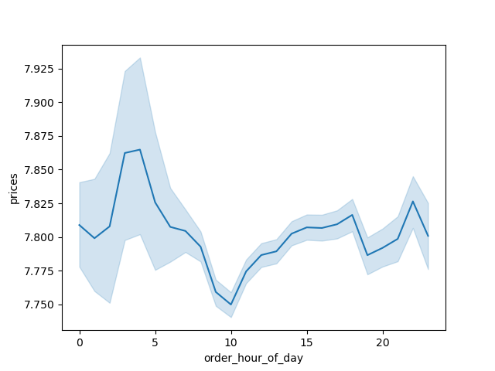

 |  |  |  | People spend the most money during the hours of 8am to 4pm. 9 am is when people spend the most money. Therefore, Instacart should utilize those times to advertise specific products.

3 | Are there certain types of products that are more popular than others? The marketing and sales teams want to know which departments have the highest frequency of product orders.

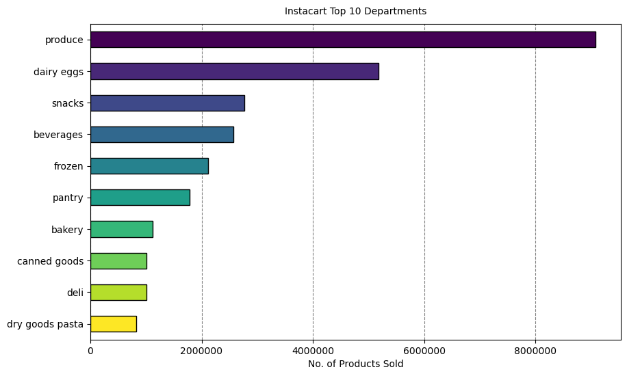
 |  |  |  |  |  | Bar chart: The bar chart shows the most popular products (by far) come from produce. The next most ordered from departments are dairy/eggs, snacks, beverages, and frozen. Note: Individual produce products would likely be ordered many at a time (apples, avocados, etc.), while other items aren't as likely to be wordered several at a time.

4 | What’s the distribution among users in regards to their brand loyalty (i.e., how often do they return to Instacart)?

 |  |  |  | Legend
 |  |  |  | Color | Type of Customer
 |  |  |  | Green | Regular
 |  |  |  | Blue | Loyal
 |  |  |  | Yellow | New

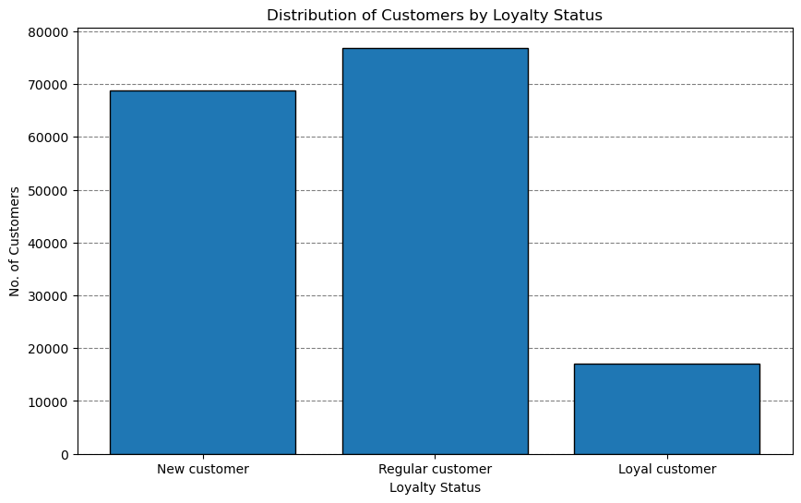 |  |  |  | Left bar graph: In terms of distribution, there are far more new customers than there are regular or loyal customers. This either indicates recent growth or many one-time customers. Right bar graph: By definition and the way loyalty status is determined, regular and loyal customers contribute more to sales (as in # of items sold). |  |  | 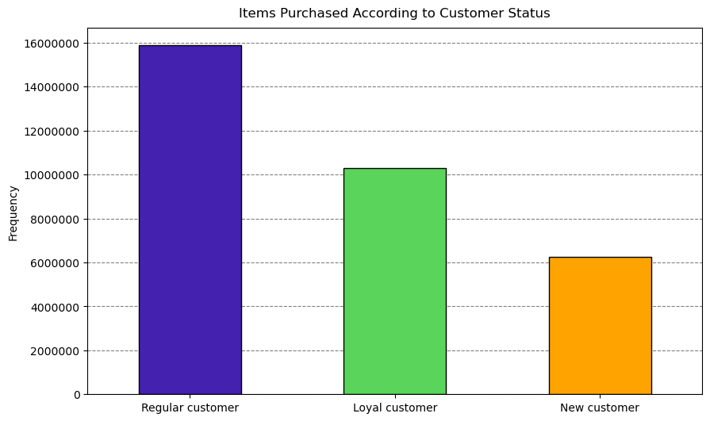

5 | Are there differences in ordering habits based on a customer’s loyalty status?

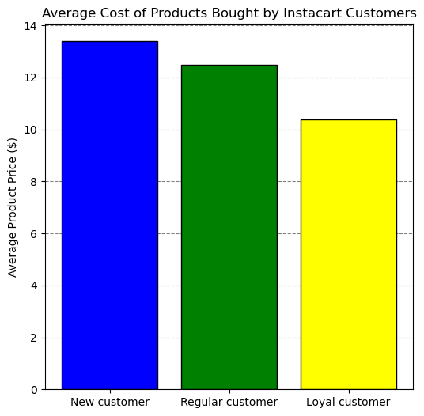

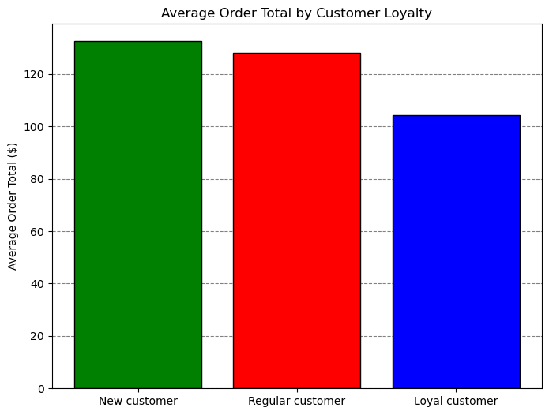

Note: The graphs show that the average order total and average product price is close to equal between each grouping of customer's. It would seem loyalty status is not an indicator of specific ordering habits, although further analysis into other ordering habits may be needed.

6 | Are there differences in ordering habits based on a customer’s region?
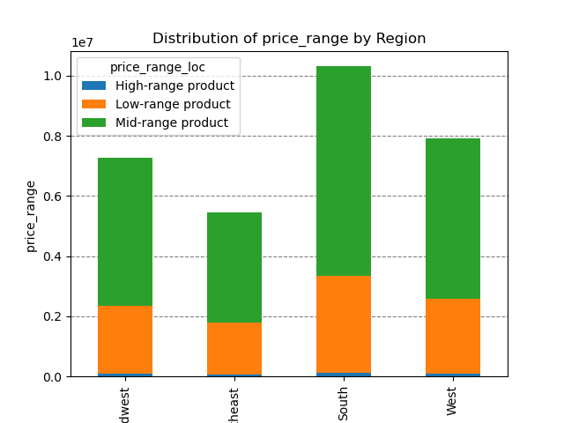
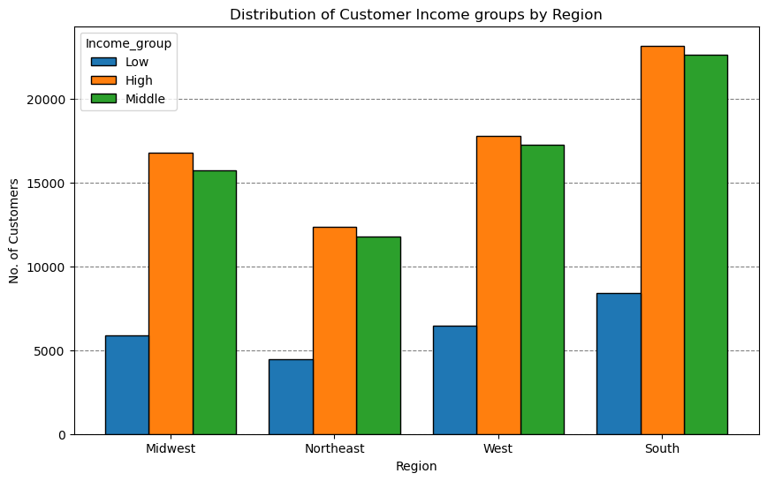
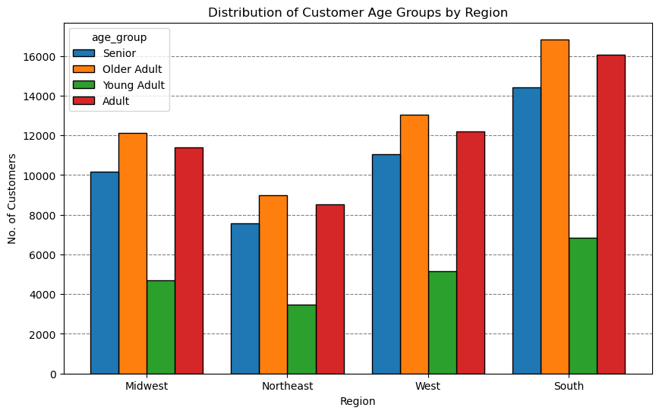
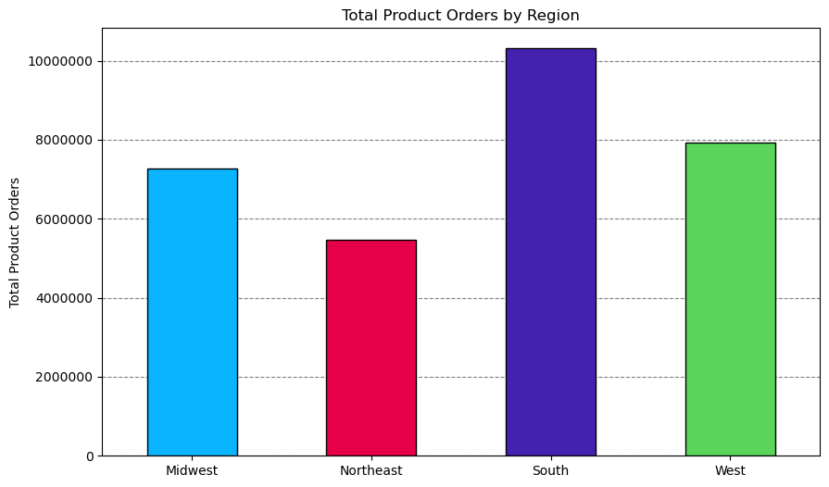
From the graph on the right, majority of the customers buy mid-range products followed by low-range products and purchase high-range products the least in all four regions.
Note: The charts show department sales are proportional across regions. More products have likely been purchased in southern states because more customers are located there.
The chart on the left shows that the high Income group in all the four region contribute more when compared to low in come group .
In every region, Instacart customers are mostly Older adults from the graph on the left. Also, the South has the most customers in Adult and older adult catogary followed by the West, then the Midwest and lastly the Northeast.

7 | Is there a connection between age and family status in terms of ordering habits?

The pie charts show the segmentation of instacart's customer-base by 3 different profiling variables
Age: The age group categories are based typical socially accepted age groups and age ranges typical of major life changes such as college, marriage, retirement, loss of independence.
Income: The income groups were based on distributions of household incomes in the U.S. during 2022 .
Most of instacart's customers fit into the high and middle income categories.
Dependents: This category is based on whether a customer has a dependent(s) .
Mostcustomers have a dependent(s) (75%).
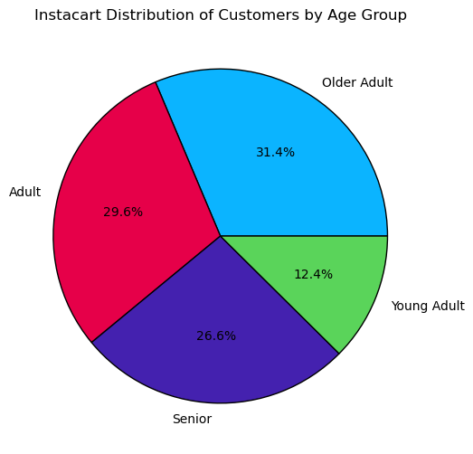
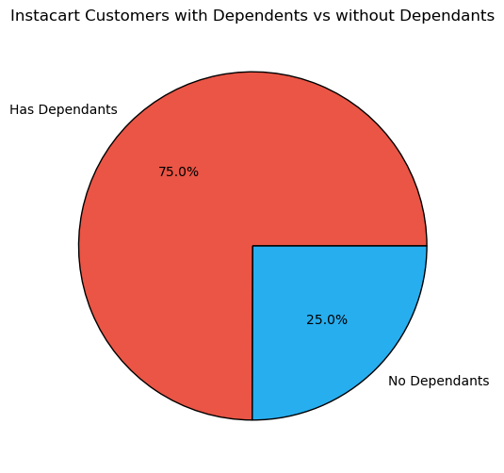
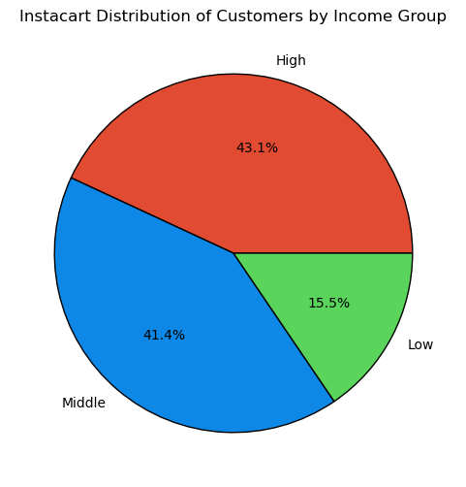


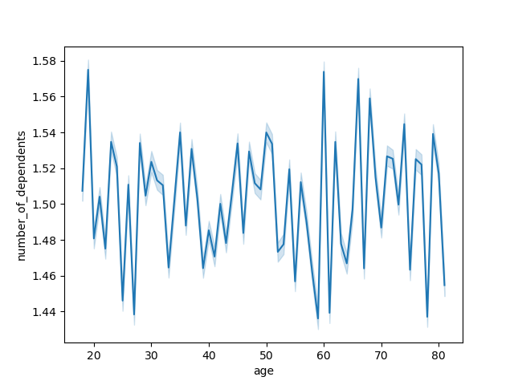
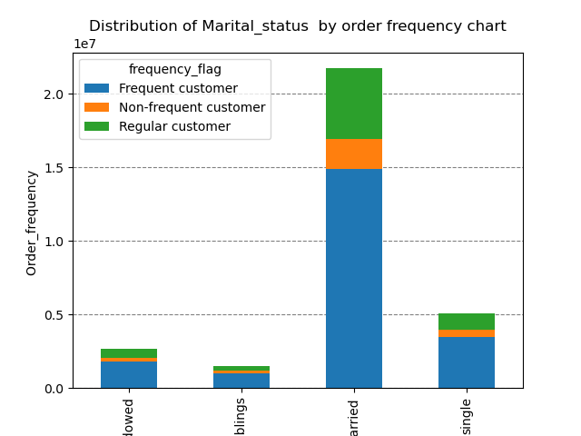
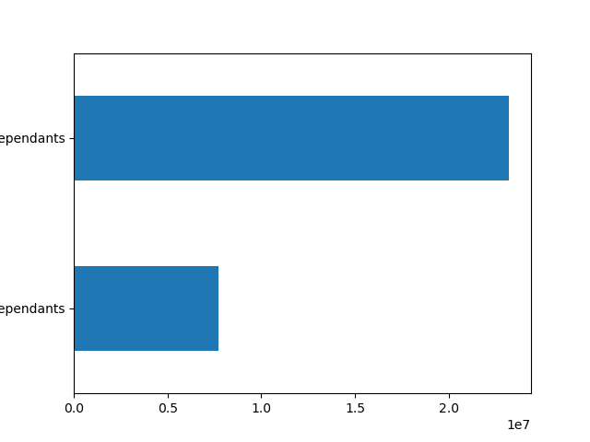
 |  |  |  |  |  |  |  |  |  | From left to right (graph on left):
 |  |  |  |  |  |  |  |  |  | Divorced/Widowed
 |  |  |  |  |  |  |  |  |  | Living with parents/siblings
 |  |  |  |  |  |  |  |  |  | Married
 |  |  |  |  |  |  |  |  |  | Single

There is a positive correlation between age and income. As the older you become, the more income you'll earn. The scatterplot showing the relationship between between age and spending power (income) of instacart customers. Based on the scatterplot, there is a large concetration of customers across all ages that earns up to 200,000 (USD) and customers who are 40 years and older are earning up to 600,000 (USD). So, customers who are 40 years and older might spend more because of their higher income.
Most of Instacart frequent, non-frequent, and regular customers are married. It is followed by single people, divorced/widowed people and lastly people who live with their parents and siblings.
There is no correlation betweem age and the number of dependents.
 |  |  |  |  |  |  |  |  |  |  | From left to right (graph on left):
 |  |  |  |  |  |  |  |  |  |  | Has dependents
 |  |  |  |  |  |  |  |  |  |  | No dependents

 |  |  |  |  |  |  |  |  |  |  | Most of Instacart customers have dependents.

8 What differences can you find in ordering habits of different customer profiles? consider the price of orders, frequency of orders, products customers are ordering, and anything else you can think of.
Income: The frequency of orders differs between income groups, low-income customers shop less frequently than High income groups.
The horizontal bar charts show the top departments by total products sold for each income group. High-income and Middle-income customers have very similar department preferences, Low-income customers purchase a higher proportion items form the Snacks department (may likely refect the needs of this group in that more of these customers could be living at home with parents, need for more calorie dense food bang for buck).
Age: All age groups appear to purchase the same amount of items from the same departments
Dependents: Maried customers purchase more total items than other family statuses, having dependents doesn't make a difference in departments that customers tend to buy from.
Region crossed with other variables: Further visual insights also included for possible further exploration and discussion.

INCOME
FAMILY STATUS & DEPENDENTS
AGE GROUP
REGION CROSS

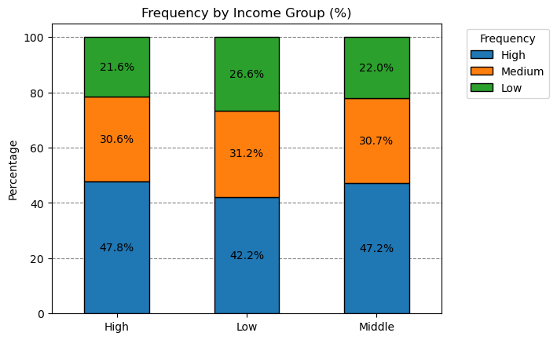

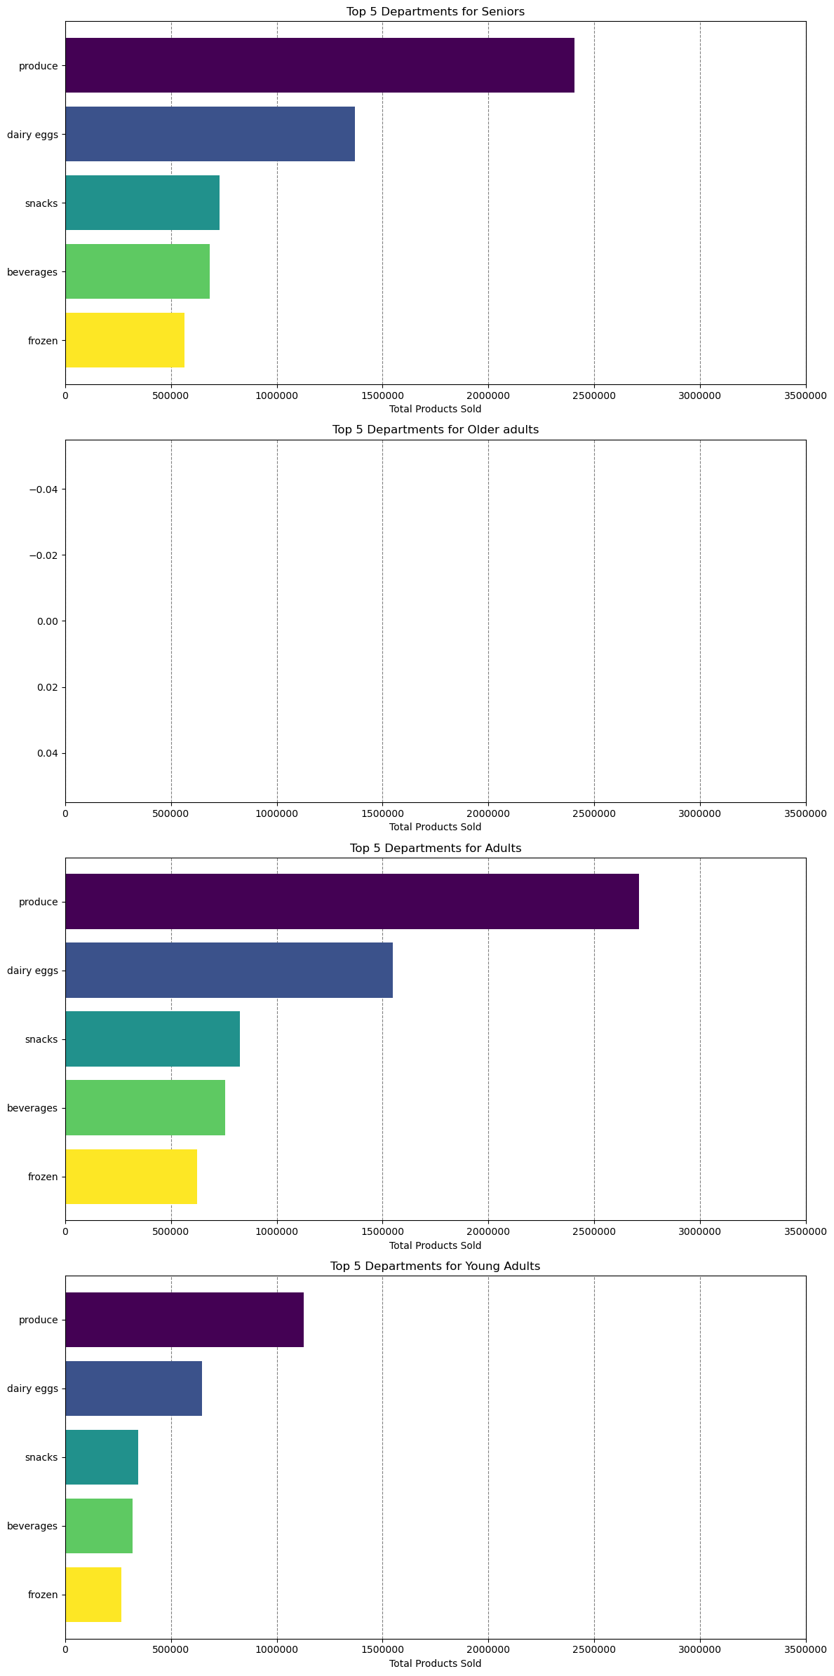

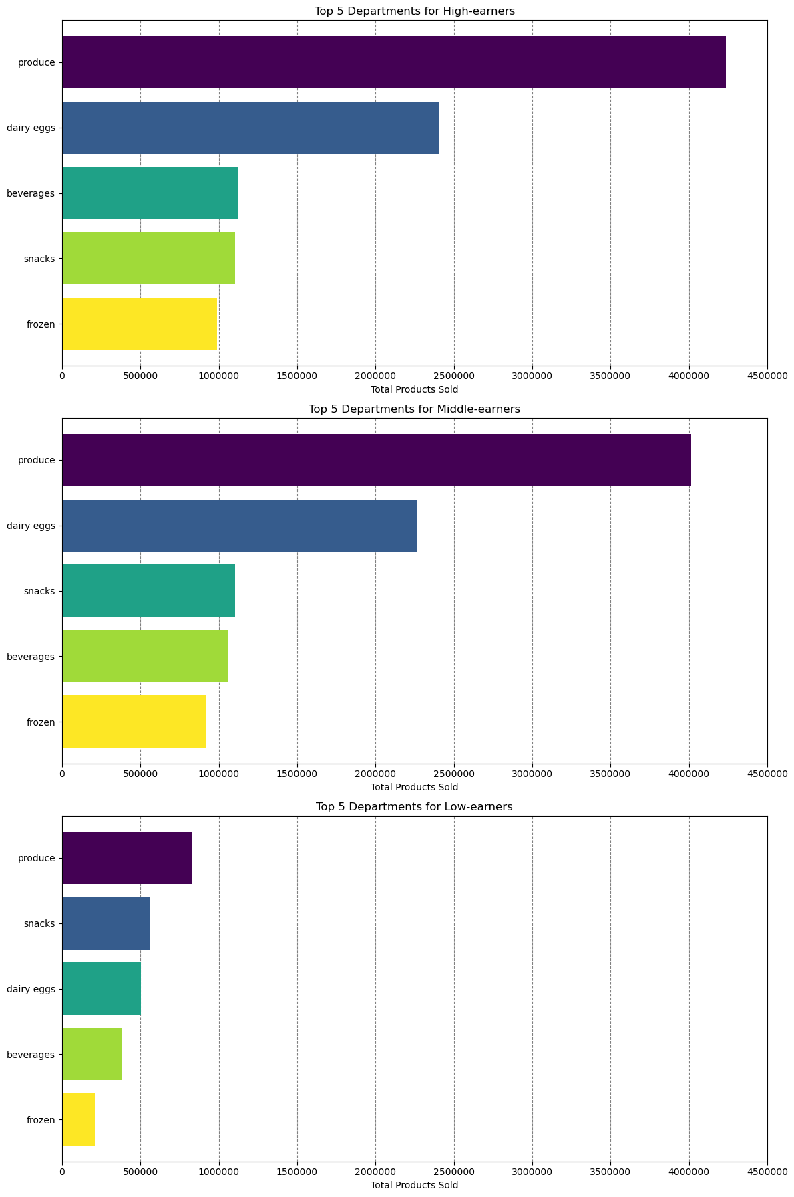

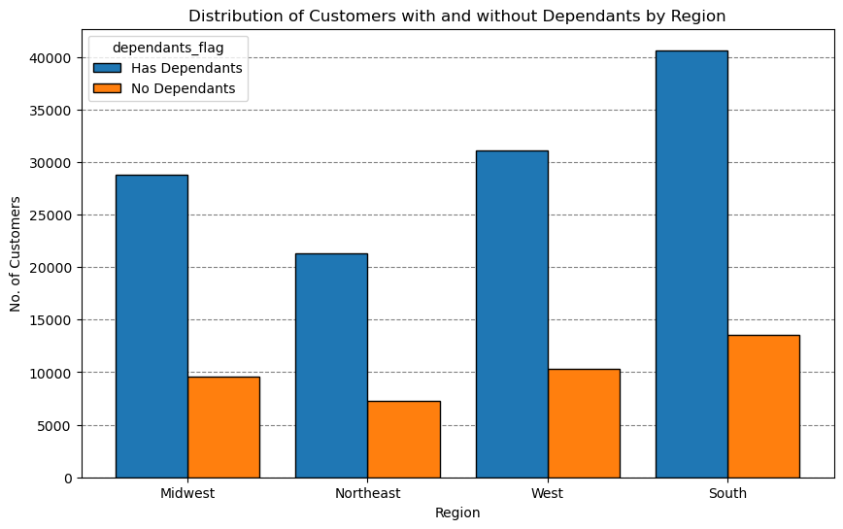

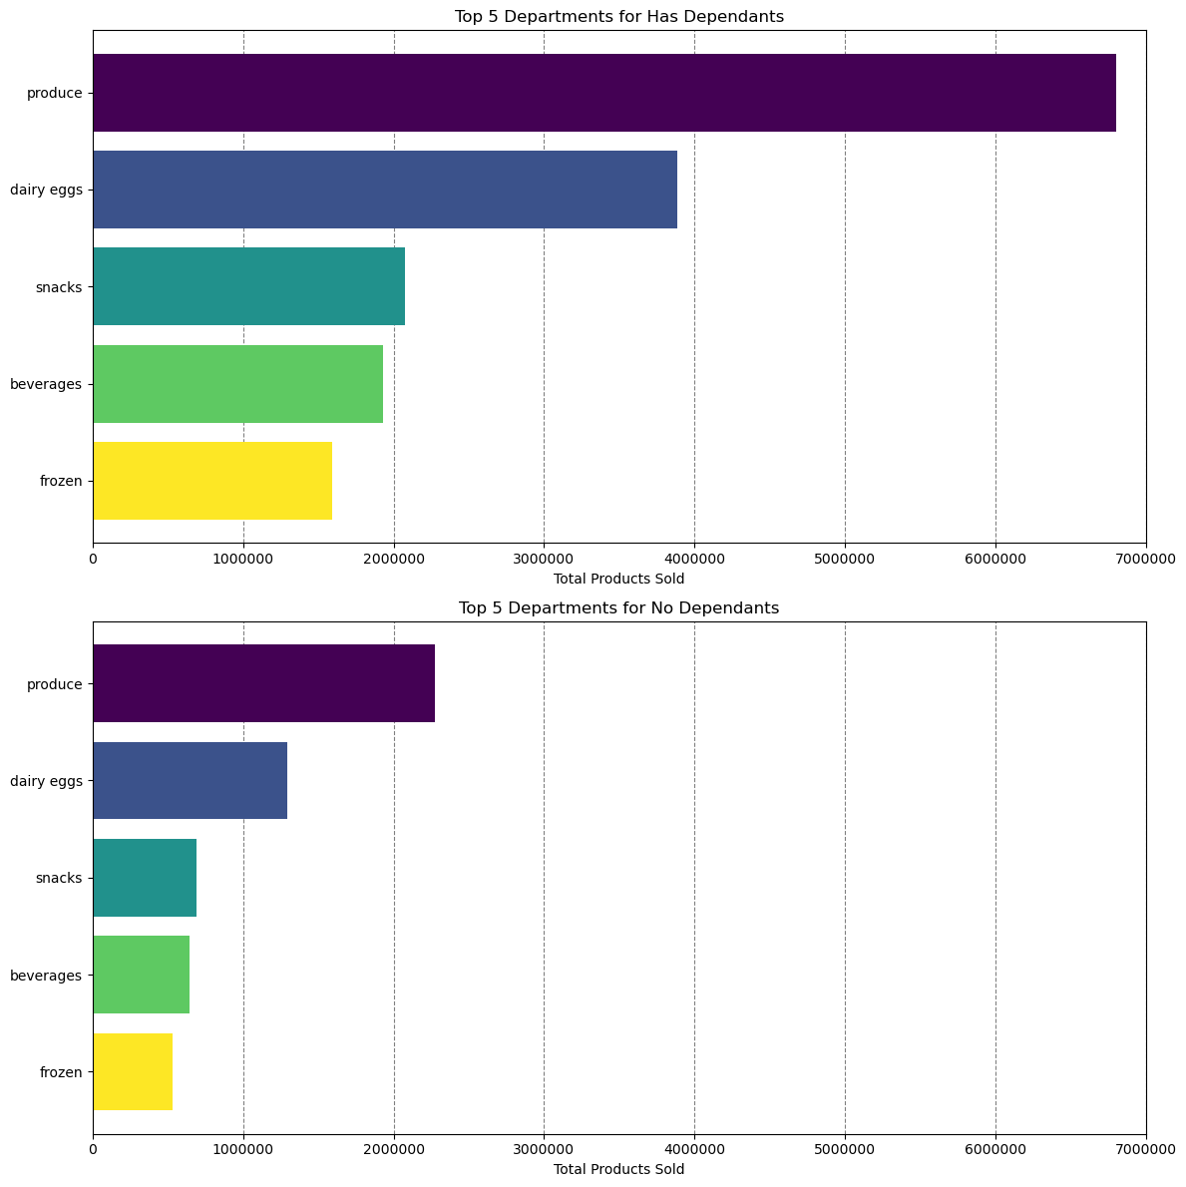

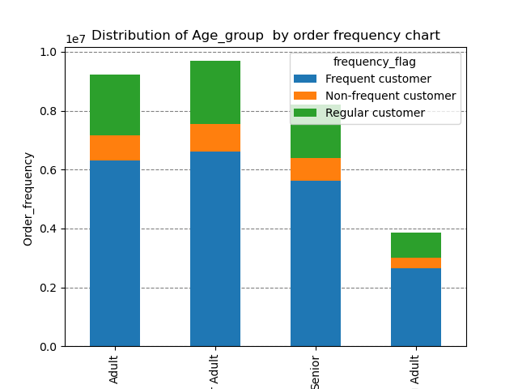

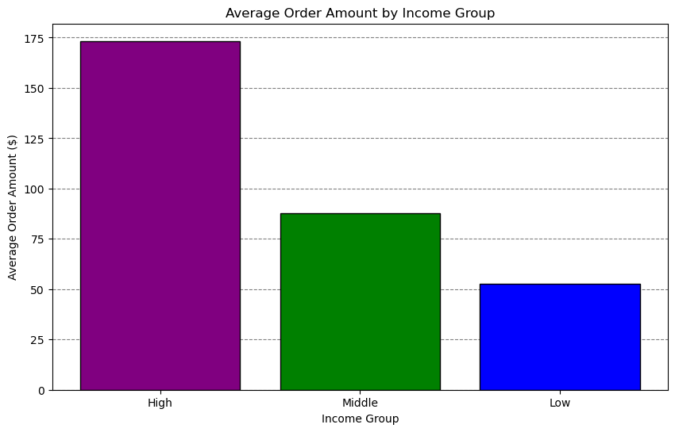
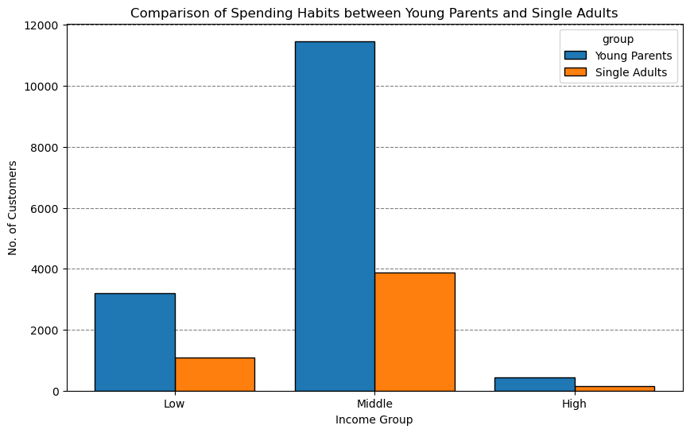

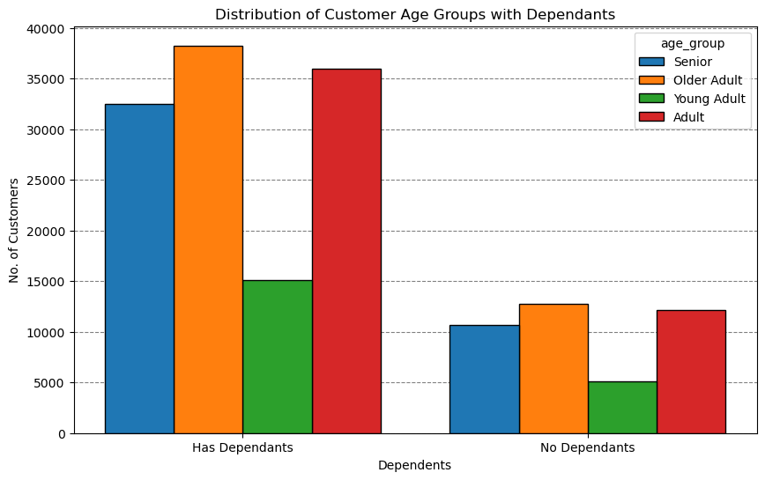

High-income and middle-income groups have similar high-frequency ordering habits.
Low-income group tends to have a higher percentage of medium and low-frequency orders compared to high-income and middle-income groups.

Product Preferences:
Produce is the most purchased category across all income groups, indicating a common preference for fresh products.
Dairy & Eggs is the second most popular among high and middle earners, while it is third for low earners.
Snacks are more popular among low earners compared to beverages.
Beverages and Frozen goods are consistently in the top five for all groups.

Order Amount:
High-income earners spend significantly more per order compared to middle and low-income earners.
There is a substantial drop in average order amount from high-income to middle-income and again from middle-income to low-income groups.

7. Recommendations
 |  |  | Title page

Recommendations

 | Question | Answer
1 | What days of the week and hours of the day are busiest? | The busiest days of the week are Saturday and Sunday between the hours of 8 am to 4 pm. The least busy day is Wednesday between the hours of 2 am to 5 am. Therefore, Instacart should schedule ads on Wednesday during the times 6 am to 8 am and 5pm to 10 pm. Scheduling it earlier than 6 am and later than 10 pm will not be beneficial as people may still be sleeping.

2 | What times of the day do people spend the most money? | People spend the most money during the hours of 8am to 4pm. 9 am is when people spend the most money. Therefore, Instacart should utilize those times to advertise specific products.

3 | Are there certain types of products that are more popular than others? | The top 5 products are produce, dairy and eggs, snacks, beverages and frozen food. Therefore, Instacart should provide special offers on those categories to keep drawing customers' attention and activity.

4 | What's the distribution amoung users in regards to their brand loyalty? | There are more regular customers than loyal customers. Therefore, Instacart should offer incentives to reward its regular customers and incentivize non regular customers (loyal and new) to become regular customers.

5 | Are there differences in ordering habits based on a customer's loyalty status? | Customers who are adults with middle income are the most frequent customers of Instacart. Young adults are the least frequenct customers. Therefore, Instacart should focus on advertising mid-range products to adult and senior customers.

6 | Are there differences in ordering habits based on a customer's region? | In every region, Instacart customers are mostly adults. Also, the South has the most customers in all three age groups followed by the West, then the Midwest and lastly the Northeast. The majority of the customers buy mid-range products followed by low-range products and purchase high-range products the least in all four regions. Instacart should focus on advertising to the South; however, Instacart should focus more on customers in the West and the Midwest as those regions are not too far from the ordering habits of the customers in the South.

7 | Is there a connection between age and family status in terms of ordering habits? | There is not a specific connection between age and family status in terms of ordering habits. Most of Instacart frequent, non-frequent, and regular customers are married. It is followed by single people, divorced/widowed people and lastly people who live with their parents and siblings. However, there is a positive correlation between age and income. As the older you become, the more income you'll earn. The scatterplot shows the relationship between between age and spending power (income) of instacart customers. Based on the scatterplot, there is a large concetration of customers across all ages that earns up to 200,000 (USD) and customers who are 40 years and older are earning up to 600,000 (USD). So, customers who are 40 years and older might spend more because of their higher income. There is no correlation betweem age and the number of dependents. Seniors are the next group of frequent customers. Therefore, Instacart should offer Senior citizens special promotions in order to increase the ordering habits of Senior citizens. Also, offering special prices on bundles of products that young adults are interested in will increase young adults' activities as well.

8 | What differences can you find in ordering habits of different customer profiles? consider the price of orders, frequency of orders, products customers are ordering, and anything else you can think of. | Income groups were the primary focus, as other demographics like age and family status had already been examined. The analysis shows that middle and high-income earners have similar spending patterns, including the average order total, order frequency, and product preferences. In contrast, low-income earners spend significantly less per order and shop slightly less frequently. Although produce is the top department for all groups, low-income earners' second-highest department being "snacks" stands out. This suggests that low-income earners might have different shopping priorities, possibly because many of these customers might not be using Instacart for their main grocery shopping, as this task could be handled by a roommate or parent.Income groups were the primary focus, as other demographics like age and family status had already been examined. The analysis shows that middle and high-income earners have similar spending patterns, including the average order total, order frequency, and product preferences. In contrast, low-income earners spend significantly less per order and shop slightly less frequently. Although produce is the top department for all groups, low-income earners' second-highest department being "snacks" stands out. This suggests that low-income earners might have different shopping priorities, possibly because many of these customers might not be using Instacart for their main grocery shopping, as this task could be handled by a roommate or parent.

